Sheet1
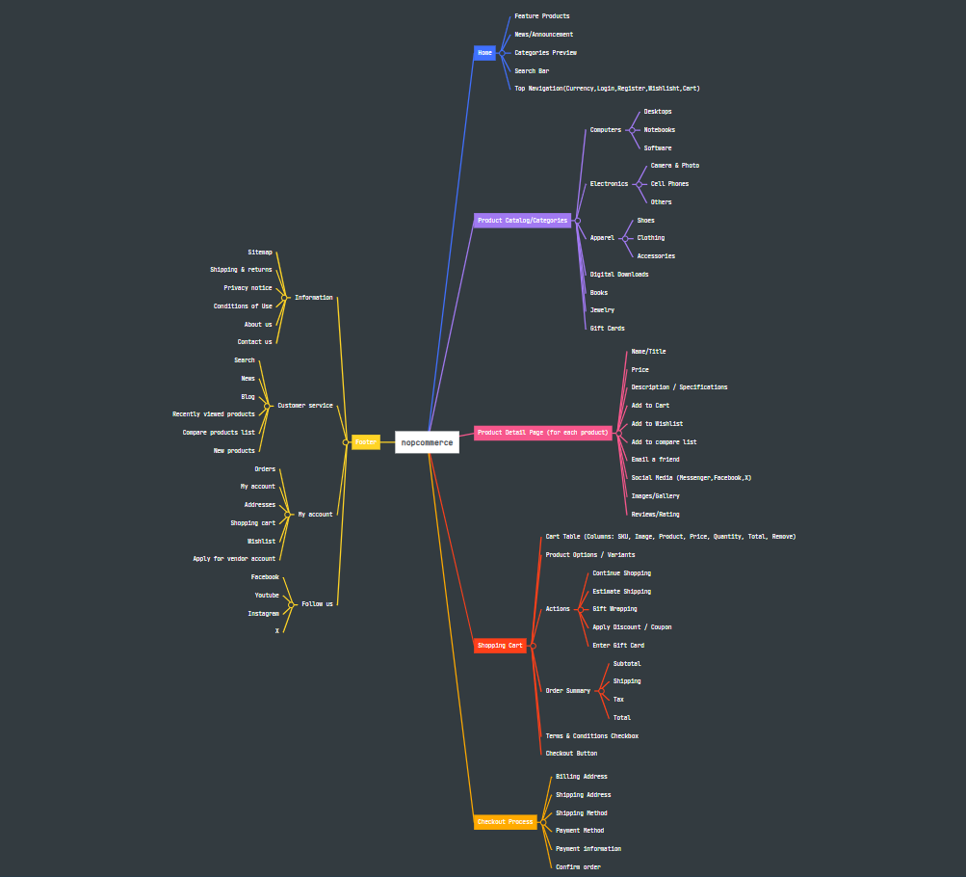
Mind Map For demo.nopcommerce.com | Link

